PF_milancovich_oxy18events
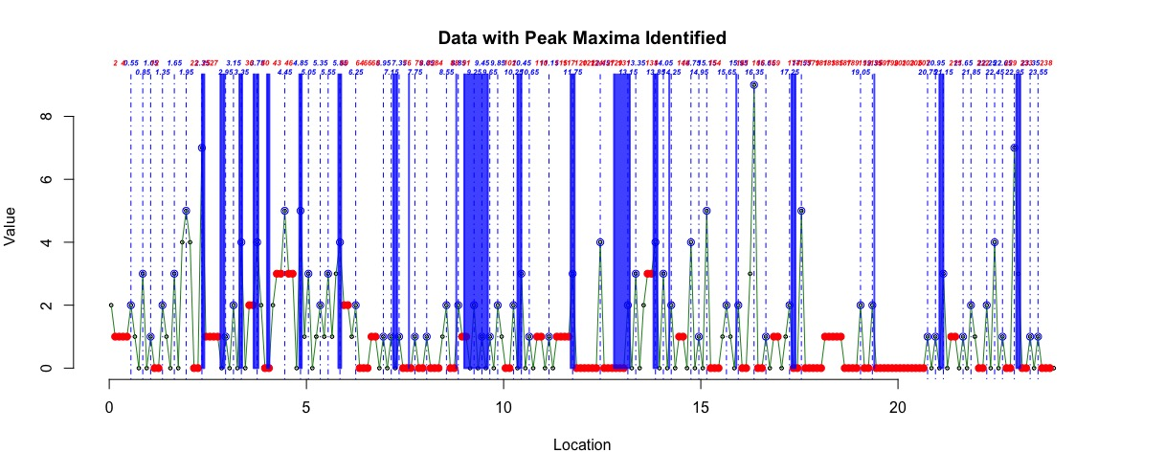
marine δ18O events |  |  |  | speciation |  |  | extinction |  |  | turnover
event | age (Ma) | eccentricity related (blue areas) (Ma) | obliquity- and eccentricity related (green areas) (Ma) | age (Ma) | count. | prob. | age (Ma) | count. | prob. | age (Ma) | count. | prob.
 |  |  |  |  |  |  | 1.9-1.8 | 4 | 0.077 | 1.9-1.8 | 4 | 0.077
 |  |  |  | 2.0-1.9 | 4 | 0.077 | 2.0-1.9 | 1 | 0.020 | 2.0-1.9 | 5 | 0.097
 |  |  |  | 2.1-2.0 | 2 | 0.041 | 2.1-2.0 | 2 | 0.041 | 2.1-2.0 | 4 | 0.082
100/98 (37) | 2.41-2.35 | 2.40-2.35 |  |  |  |  | 2.4-2.3 | 7 | 0.125 | 2.4-2.3 | 7 | 0.125
 |  |  |  | 2.5-2.4 | 1 | 0.018 |  |  |  | 2.5-2.4 | 1 | 0.018
G16-10 (38) | 2.92-2.82 | 2.82-2.72 | 2.89-2.72 |  |  |  |  |  |  | 3.0-2.9 | 1
M2/MG2 (39) | 3.37-3.30 |  | 3.27-3.12 | 3.4-3.3 | 2 | 0.035 | 3.4-3.3 | 2 | 0.035 | 3.4-3.3 | 4 | 0.070
 |  |  |  |  |  |  | 3.6-3.5 | 2 | 0.035 | 3.6-3.5 | 2 | 0.035
Gi2/6 (39) | 3.78-3.66 |  |  | 3.7-3.6 | 1 | 0.018 | 3.7-3.6 | 1 | 0.018 | 3.7-3.6 | 2 | 0.036
 |  |  |  | 3.8-3.7 | 2 | 0.036 | 3.8-3.7 | 2 | 0.036 | 3.8-3.7 | 4 | 0.073
 |  |  |  |  |  |  | 3.9-3.8 | 2 | 0.035 | 3.9-3.8 | 2 | 0.035
Gi16/18 (39) | 4.06-4.00 |  | 4.12-3.91; 4.29-4.26
 |  | 4.39-4.35 |  | 4.4-4.3 | 2 | 0.033 | 4.4-4.3 | 1 | 0.017 | 4.4-4.3 | 3 | 0.050
 |  |  |  | 4.6-4.5 | 1 | 0.017 | 4.6-4.5 | 2 | 0.034 | 4.6-4.5 | 3 | 0.051
 |  |  |  | 4.7-4.6 | 3 | 0.051 |  |  |  | 4.7-4.6 | 3 | 0.051
Si4/6 (38) | 4.88-4.82 | 4.83-4.76
 |  |  |  | 4.9-4.8 | 1 | 0.018 | 4.9-4.8 | 4 | 0.068 | 4.9-4.8 | 5 | 0.086
TG20/22 (39) | 5.88-5.81 |  | 5.51-5.49; 5.59 | 5.5-5.4 | 1 | 0.017 |  |  |  | 5.5-5.4 | 1 | 0.017
 |  |  |  | 5.6-5.5 | 2 | 0.035 | 5.6-5.5 | 1 | 0.018 | 5.6-5.5 | 3 | 0.053
 |  |  |  | 5.7-5.6 | 1 | 0.018 |  |  |  | 5.7-5.6 | 1 | 0.018
 |  |  |  | 5.8-5.7 | 3 | 0.055 |  |  |  | 5.8-5.7 | 3 | 0.055
 |  |  |  | 5.9-5.8 | 2 | 0.038 | 5.9-5.8 | 2 | 0.038 | 5.9-5.8 | 4 | 0.077
 |  |  | 6.58-6.33 | 6.7-6.6 | 1 | 0.020 |  |  |  | 6.7-6.6 | 1 | 0.020
Tort./Mess. 1,2 (40) | 7.3-7.2; 7.0-6.9 | 7.23-7.2 |  | 7.2-7.1 | 1 | 0.021 |  |  |  | 7.2-7.1 | 1 | 0.021
Late Tort. (41) | 7.6 | 7.65-7.63 | 7.27-7.67; 8.08-7.95
 |  |  |  | 7.8-7.7 | 1 | 0.022 |  |  |  | 7.8-7.7 | 1 | 0.022
 |  |  |  | 8.6-8.5 | 2 | 0.044 |  |  |  | 8.6-8.5 | 2 | 0.044
Mi7? (41) | 8.8 |  | 8.95-8.74 | 8.9-8.8 | 1 | 0.023 | 8.9-8.8 | 1 | 0.023 | 8.9-8.8 | 2 | 0.047
 |  |  |  | 9.0-8.9 | 1 | 0.023 |  |  |  | 9.0-8.9 | 1 | 0.023
 |  |  |  | 9.3-9.2 | 1 | 0.023 | 9.3-9.2 | 1 | 0.023 | 9.3-9.2 | 2 | 0.047
Mi7? (41,42) | 9.6-9.0 | 9.67-9.63; 9.31-9.27 |  | 9.7-9.6 | 1 | 0.024 |  |  |  | 9.7-9.6 | 1 | 0.024
 |  |  |  | 9.9-9.8 | 1 | 0.024 | 9.9-9.8 | 1 | 0.024 | 9.9-9.8 | 2 | 0.049
 |  |  |  |  |  |  | 10.3-10.2 | 2 | 0.048 | 10.3-10.2 | 2 | 0.048
Mi6 (41, 43, 44) | 10.45-10.35 |  |  |  |  |  | 10.5-10.4 | 3 | 0.067 | 10.5-10.4 | 3 | 0.067
Mi5 (41, 43, 44) | 11.8-11.7; 11.5-11.4 |  |  | 11.7-11.6 | 1 | 0.024 |  |  |  | 11.7-11.6 | 1 | 0.024
 |  |  |  |  |  |  | 11.8-11.7 | 3 | 0.068 | 11.8-11.7 | 3 | 0.068
 |  | 12.16-12.10
 |  | 12.52-12.48 | 12.62-12.42 | 12.5-12.4 | 1 | 0.023 | 12.5-12.4 | 3 | 0.065 | 12.5-12.4 | 4 | 0.088
Mi4 (41, 43) | 13.2 / 12.8 |  |  | 13.2-13.1 | 1 | 0.022 | 13.2-13.1 | 1 | 0.022 | 13.2-13.1 | 2 | 0.043
 |  |  |  | 13.7-13.6 | 2 | 0.044 | 13.7-13.6 | 1 | 0.023 | 13.7-13.6 | 3 | 0.067
 |  |  |  | 13.8-13.7 | 2 | 0.045 | 13.8-13.7 | 1 | 0.023 | 13.8-13.7 | 3 | 0.069
Mi3B (43, 45-47) | 13.9-13.8 |  | 13.69-13.62 | 13.9-13.8 | 1 | 0.023 | 13.9-13.8 | 3 | 0.067 | 13.9-13.85 | 4 | 0.090
 |  |  |  | 14.1-14.0 | 3 | 0.067 |  |  |  | 14.1-14.0 | 3 | 0.067
 |  |  |  | 14.8-14.7 | 2 | 0.045 | 14.8-14.7 | 2 | 0.045 | 14.8-14.7 | 4 | 0.091
Mi3A (47) | 14.2 | 14.16-14.10 |  | 14.3-14.2 | 1 | 0.024 | 14.3-14.2 | 1 | 0.024 | 14.3-14.2 | 2 | 0.024
 |  |  | 14.90-14.89; 15.02-14.93 | 15.2-15.1 | 3 | 0.070 | 15.2-15.1 | 2 | 0.048 | 15.2-15.1 | 5 | 0.117
Mi2 (43, 48) | 15.9 |  | 16.07-16.00; 15.89-15.68 | 16.0-15.9 | 1 | 0.023 | 16.0-15.9 | 1 | 0.023 | 16.0-15.9 | 2 | 0.045
 |  |  |  | 16.4-16.3 | 3 | 0.073 | 16.4-16.3 | 6 | 0.136 | 16.4-16.3 | 9 | 0.210

M1b (42, 49) | 17.4-17.3 | 19.98-16.94 | 17.44-17.25 | 17.3-17.2 | 2 | 0.045 |  |  |  | 17.3-17.2 | 2 | 0.045
 |  |  |  | 17.6-17.5 | 3 | 0.071 | 17.6-17.5 | 2 | 0.049 | 17.6-17.5 | 5 | 0.120
 |  |  | 18.30-18.26 | 18.3-18.2 | 1 | 0.025 |  |  |  | 18.3-18.2 | 1 | 0.025
 |  | 19.04-18.95 |  | 19.1-19.0 | 1 | 0.028 | 19.1-19.0 | 1 | 0.028 | 19.1-19.0 | 2 | 0.056
M1aa (48, 49) | 19.4 |  | 19.47-19.42 |  |  |  | 19.4-19.3 | 2 | 0.053 | 19.4-19.3 | 2 | 0.053

M1a (42, 50) | 21.15-21.05 | 21.06-21.00 |  | 21.2-21.1 | 2 | 0.053 | 21.2-21.1 | 1 | 0.027 | 21.2-21.1 | 3 | 0.080
 |  | 21.42-21.39
 |  |  | 21.91-21.88 | 21.9-21.8 | 1 | 0.028 | 21.9-21.8 | 1 | 0.028 | 21.9-21.8 | 2 | 0.056
 |  |  |  | 22.5-22.4 | 4 | 0.028 |  |  |  | 22.5-22.4 | 4 | 0.028
Mi1 (43, 50) | 23.1-23.0 |  |  | 23.0-22.9 | 3 | 0.100 | 23.0-22.9 | 4 | 0.129 | 23.0-22.9 | 7 | 0.229
 |  | 23.90-23.82
 |  |  | 24.34-24.15

 |  | Figure: Planktonic foraminifier speciation peak identified and matched with marine oxy-18 cold events

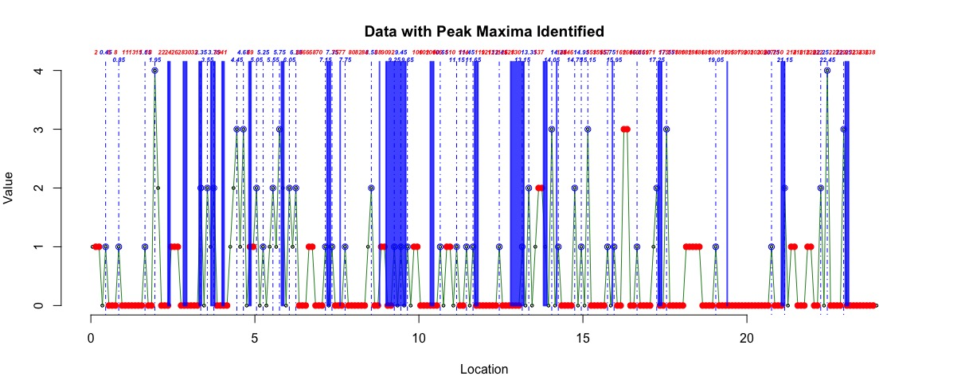

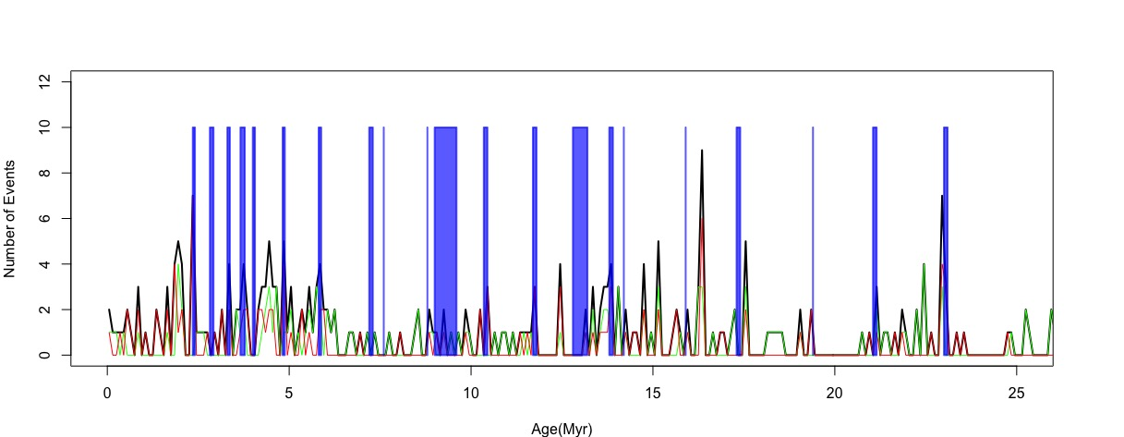

 |  | Figure: Planktonic foraminifier extinction peak identified and matched with marine oxy-18 cold events

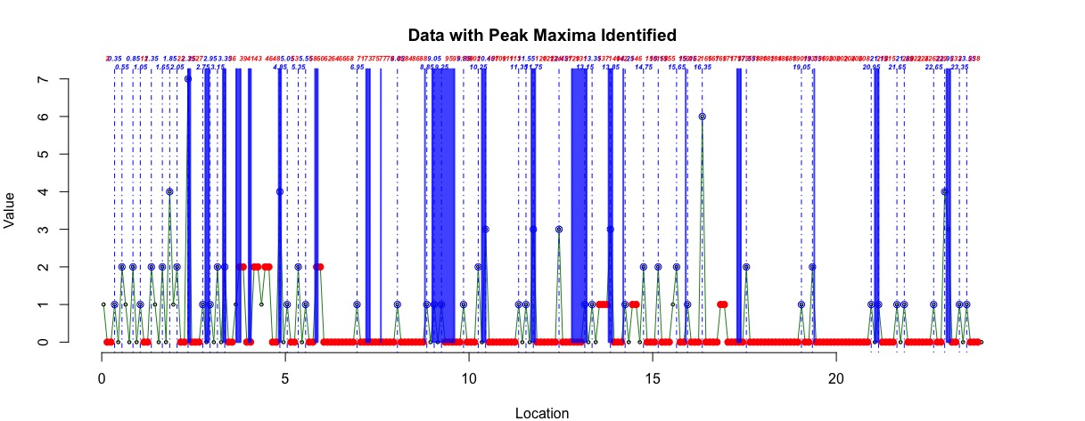

 |  | Figure: Planktonic foraminifier turnover peak identified and matched with marine oxy-18 cold events

